1. Title Page
Grocery Basket Analysis

Project Name: Instacart Grocery Basket Analysis
Date: February 2023
Analyst Name: Titi Adigun

Contents:
Population Flow
Consistency checks
Wrangling steps
Column derivations
Visualizations
Recommendations

Data source:
“The Instacart Online Grocery Shopping Dataset 2017”, Accessed from
https://www.instacart.com/datasets/grocery-shopping-2017

According to CareerFoundry,
"the customer data you explored in Exercises 4.9 and 4.10, as well as the “prices” column in the products data set, were both fabricated for the purpose of this course"
Accessed from
https://careerfoundry.com/en/course/data-immersion/exercise/coding-etiquette-reporting#instacart-analysis-final-report

2. Population Flow
Title page: Population Flow

Population flow

Exclusion flag
Condition: max_order < 5
Obervations to be removed: 1,440,295
Final total count of order_products_all: 30,964,564

Orders_products_combined
Orders_products_merged
Orders_products_all

Total: 32404859, 15
Total: 32434489, 11
Total: 32404859, 34

1.) The grey boxes in the first row of the population flow represent the original data sets as they were when you downloaded them. In the Total fields you need to add the count of the rows when you imported the data set into Jupyter.
2.) The second row of boxes (coloured) represents the data sets after you manipulated them, e.g., removed missing values and duplicates. In the Total fields you need to add the count of the rows after conducting these operations. This offers a visual oveview of how the data flows throughout the data consistency checks.
3.) The third row, where also the arrows are coloured, represents the merges you performed between the datasets. In the Total fields you need to add the count of the rows in the merged datasets, so that you end up with the final dataset (in the red box). Keep in mind the final dataset should be without exclusions (based on the exclusion flag).

3. Consistency checks
 |  |  |  | Title page: Consistency checks
Consistency checks

Dataset | Missing values | Missing values treatment | Duplicates
orders | days_since_prior_order ; 206,209 | replaced with mean value of 1.111484 | nil
products | product_name ; 16 | Deleted | 5 rows, deleted
orders_products_prior | nil | nil | nil
customers | convert mixed data to string | convert mixed data to string | nil

4. Wrangling steps
 |  |  |  | Title page: Wrangling steps
Wrangling steps

Columns dropped | Columns renamed | Columns' type changed | Comment/Reason
eval_set |  |  | data was not useful to the analysis
 | order_dow | int64 | order_dow renamed to orders_day_of_week
 | days_since_prior_order | int64 | days_since_prior_order changed to days_between_order
 | order_id | int64 | Changed data from int64 to string/object
 | user_id | int64 | Changed data from int64 to string/object
 | order_number | int64 | Changed data from int64 to string/object
 | First name | string | convert mixed data to string
Unnamed:0 |  |  | This came up due to importing and exporting data
First name |  |  | Due to data privacy policy
Surname |  |  | Due to data privacy policy

5. Column derivations
 |  |  |  | Title page: Column derivations

Column derivations and aggregations

In this tab you should add tables below that the frequences of flags/label variables that you produced after deriving them. NB: don't do this for continuous variables, only for flags.
Dataset | New column | Column/s it was derived from | Conditions
ords_prods_merge | price_range_loc | First 1000 rows of prices | range of prices
ords_prods_merge | Busiest day | orders_day_of_week | frequency of order per day
ords_prods_merge | Busiest_days | orders_day_of_week | frequency of order per day
ords_prods_merge | busiest_period_of_day | order_hour_of_day | frequency of order per hour
ords_prods_merge | max_order | order_number | frequency of order per per user id
ords_prods_merge | loyalty_flag | order_number | frequency of order per per user id
ords_prods_merge | Ave_price | prices | frequency of average spending per user id
ords_prods_merge | Spender_pattern | days_since_prior_order | frequency of average spending per user id
ords_prods_merge | median_regularity | days_since_prior_order | frequency of days since prior order per user id
ords_prods_custs_merge_security | Region | STATE | info from (https://simple.wikipedia.org/wiki/List_of_regions_of_the_United_States) used to create 4 regions from state.
ords_prods_custs_merge_security | exclusion_flag | max_order | to separate low_activity_customers with max_order of < 5
ords_prods_custs_merge_drop | Age_flag | age | to profile age(less or equal to 45 years as Young_adult, between 46 and 65 years as Middle_adult and above 66 years as Old_adult )
ords_prods_custs_merge_drop | Income_flag | income | to profile income(<= 50,000 as Low income, 50,001 to 100,000 as Middle income and >= 100,001 High income)
ords_prods_custs_merge_drop | Familystatus_flag | n_dependants | to profile number of dependents per family( 0 number of dependants as single, >= 1 number of dependants as Family with dependant )

6. Visualizations and Charts
 |  |  |  |  |  |  |  |  |  |  |  |  |  |  |  | Title page: Visualizations and Charts

Visualisations

In this tab you should include all the visualtions from Exercises 4.9 and 4.10, alongside the questions from the project brief that they answer. Include any commentary on the relationship between different variables.



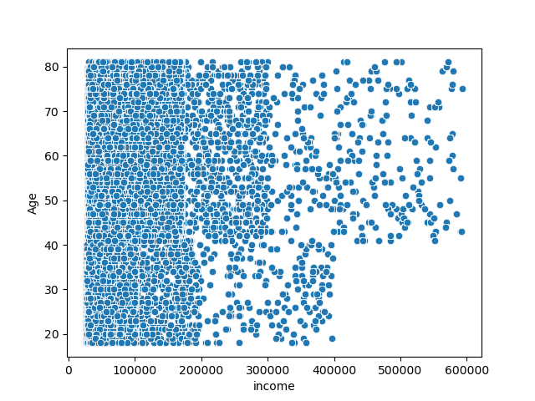

The scatterplot shows that most of customers earn less than $200, 000 and below and it cuts across all the ages(18 to 81 years). Most of the customers that earn below $400, 000 are ages 40 years and below. While the customers that earn above $400,000 are all above 40 years.

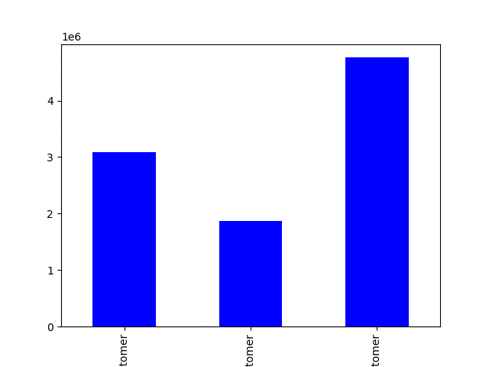

The above bar chart shows that most customers in the comapny are regular customers, followed by the loyal customers and the least set of customers are the new customers.

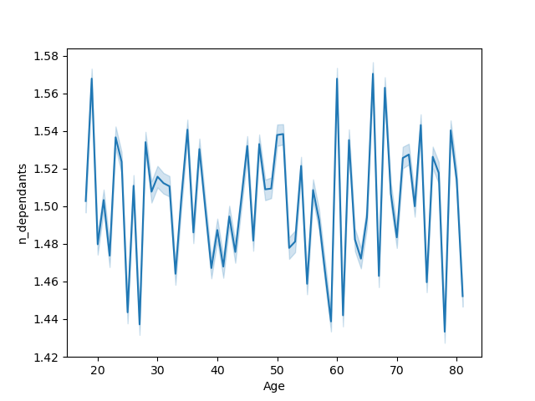

The line chart shows that the age does not have any connection with the number of dependents the customers have.

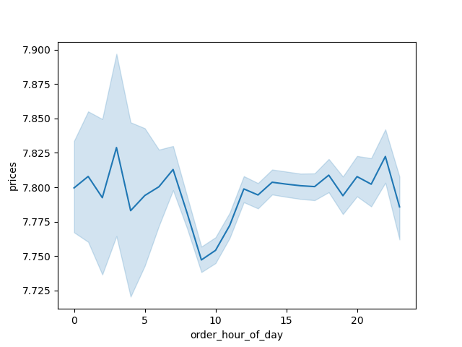

The prices peak at about 3am and the lowest prices are at about 9am.

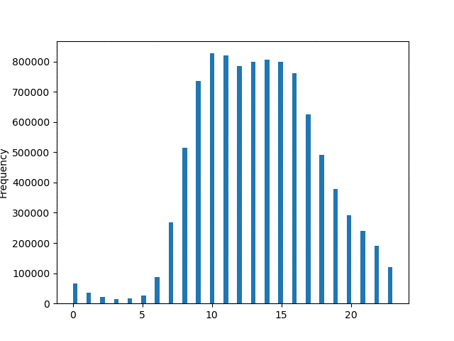

It means that most sales occurs around 9am to 4pm. This makes sense as this the the basic working hours of the day.

“Region” column and the “Spender flag”
Region | High spender | Low spender
Northeast | 108,225 | 5,614,511
Northwest | 155,975 | 7,441,350
South | 209,691 | 10,582,194
West | 160,354 | 8,132,559
Total | 634,245 | 31,770,614

“Gender” column and the “Region”
Gender | Northeast | Northwest | South | West
Female | 2,639,666 | 3,637,482 | 5,137,028 | 3,963,648
Male | 2,825,019 | 3,624,031 | 5,174,111 | 3,963,579

“Income_flag” column and the “department_id”
Income_flag | 1 | 2 | 3 | 4 | 5 | 6 | 7 | 8 | 9 | 10 | 11 | 12 | 13 | 14 | 15 | 16 | 17 | 18 | 19 | 20 | 21
High income | 988452 | 15749 | 527703 | 4236921 | 69142 | 119987 | 1126437 | 45089 | 392709 | 14218 | 193412 | 335535 | 839920 | 297594 | 485226 | 2406160 | 319958 | 196696 | 1104579 | 462089 | 29452
Low income | 215177 | 3886 | 106757 | 826314 | 18047 | 21636 | 383121 | 8612 | 64481 | 4676 | 47782 | 34278 | 166061 | 91408 | 78975 | 502363 | 87216 | 29240 | 559529 | 106448 | 6547
Middle income | 918102 | 14776 | 486368 | 4016038 | 57438 | 114368 | 1062343 | 39359 | 364946 | 14557 | 183112 | 304968 | 776724 | 281848 | 447873 | 2268659 | 292683 | 184456 | 1102298 | 435297 | 28769

Income_flag'” column and the “Region
Income_flag | Northeast | Northwest | South | West
High income | 2516484 | 3400093 | 4663571 | 3626880
Low income | 587137 | 783764 | 1142572 | 849081
Middle income | 2361064 | 3077656 | 4504996 | 3451266

“Familystatus_flag” column and the “department_id”
Familystatus_flag | 1 | 2 | 3 | 4 | 5 | 6 | 7 | 8 | 9 | 10 | 11 | 12 | 13 | 14 | 15 | 16 | 17 | 18 | 19 | 20 | 21
Family with dependant | 1592383 | 25697 | 839433 | 6803832 | 107800 | 191530 | 1926560 | 69458 | 617840 | 25451 | 318101 | 508903 | 1338801 | 504418 | 761054 | 3882806 | 528499 | 307064 | 2075968 | 750452 | 48833
Single | 529348 | 8714 | 281395 | 2275441 | 36827 | 64461 | 645341 | 23602 | 204296 | 8000 | 106205 | 165878 | 443904 | 166432 | 251020 | 1294376 | 171358 | 103328 | 690438 | 253382 | 15935

“Age_flag” column and the “department_id”
Age_flag | 1 | 2 | 3 | 4 | 5 | 6 | 7 | 8 | 9 | 10 | 11 | 12 | 13 | 14 | 15 | 16 | 17 | 18 | 19 | 20 | 21
Middle_adult | 664581 | 10785 | 350395 | 2830735 | 45267 | 79730 | 809502 | 28224 | 256056 | 10388 | 134113 | 209687 | 558459 | 210472 | 315850 | 1608332 | 217431 | 128697 | 864463 | 313198 | 20308
Old_adult | 532530 | 8350 | 278458 | 2269085 | 34691 | 63227 | 646414 | 23751 | 205473 | 8336 | 104671 | 170773 | 445174 | 165491 | 251940 | 1291039 | 176427 | 100162 | 688474 | 250463 | 15905
Young_adult | 924620 | 15276 | 491975 | 3979453 | 64669 | 113034 | 1115985 | 41085 | 360607 | 14727 | 185522 | 294321 | 779072 | 294887 | 444284 | 2277811 | 305999 | 181533 | 1213469 | 440173 | 28555

“Familystatus_flag” column and the “Region”
Familystatus_flag | Northeast | Northwest | South | West
Family with dependant | 4110203 | 5438697 | 7729206 | 5946777
Single | 1354482 | 1822816 | 2581933 | 1980450

“Prices” column and the “department_id”
department_id | 1 | 1.1 | 1.2 | 1.3 | 1.4 | 1.5 | 1.6 | 1.7 | 1.8 | 1.9 | 2 | 2.1 | 2.2 | 2.3 | 2.4 | 2.5 | 2.6 | 2.7 | 2.8 | 2.9 | 3 | 3.1 | 3.2 | 3.3 | 3.4 | 3.5 | 3.6 | 3.7 | 3.8 | 3.9 | 4 | 4.1 | 4.2 | 4.3 | 4.4 | 4.5 | 4.6 | 4.7 | 4.8 | 4.9 | 5 | 5.1 | 5.2 | 5.3 | 5.4 | 5.5 | 5.6 | 5.7 | 5.8 | 5.9 | 6 | 6.1 | 6.2 | 6.3 | 6.4 | 6.5 | 6.6 | 6.7 | 6.8 | 6.9 | 7 | 7.1 | 7.2 | 7.3 | 7.4 | 7.5 | 7.6 | 7.7 | 7.8 | 7.9 | 8 | 8.1 | 8.2 | 8.3 | 8.4 | 8.5 | 8.6 | 8.7 | 8.8 | 8.9 | 9 | 9.1 | 9.2 | 9.3 | 9.4 | 9.5 | 9.6 | 9.7 | 9.8 | 9.9 | 10 | 10.1 | 10.2 | 10.3 | 10.4 | 10.5 | 10.6 | 10.7 | 10.8 | 10.9 | 11 | 11.1 | 11.2 | 11.3 | 11.4 | 11.5 | 11.6 | 11.7 | 11.8 | 11.9 | 12 | 12.1 | 12.2 | 12.3 | 12.4 | 12.5 | 12.6 | 12.7 | 12.8 | 12.9 | 13 | 13.1 | 13.2 | 13.3 | 13.4 | 13.5 | 13.6 | 13.7 | 13.8 | 13.9 | 14 | 14.1 | 14.2 | 14.3 | 14.4 | 14.5 | 14.6 | 14.7 | 14.8 | 14.9 | 15 | 15.1 | 15.2 | 15.3 | 15.4 | 15.5 | 15.6 | 15.7 | 15.8 | 15.9 | 16 | 16.1 | 16.2 | 16.3 | 16.4 | 16.5 | 16.6 | 16.7 | 16.8 | 16.9 | 17 | 17.1 | 17.2 | 17.3 | 17.4 | 17.5 | 17.6 | 17.7 | 17.8 | 17.9 | 18 | 18.1 | 18.2 | 18.3 | 18.4 | 18.5 | 18.6 | 18.7 | 18.8 | 18.9 | 19 | 19.1 | 19.2 | 19.3 | 19.4 | 19.5 | 19.6 | 19.7 | 19.8 | 19.9 | 20 | 20.1 | 20.2 | 20.3 | 20.4 | 20.5 | 20.6 | 20.7 | 20.8 | 20.9 | 21 | 21.1 | 21.3 | 21.4 | 21.5 | 21.6 | 21.7 | 21.8 | 21.9 | 22 | 22.1 | 22.2 | 22.3 | 22.4 | 22.5 | 22.6 | 22.7 | 22.8 | 22.9 | 23 | 23.1 | 23.2 | 23.3 | 23.4 | 23.5 | 23.6 | 23.7 | 23.8 | 23.9 | 24 | 24.1 | 24.2 | 24.3 | 24.4 | 24.5 | 24.6 | 24.7 | 24.8 | 24.9 | 25
1 | 5018 | 14972 | 19497 | 27617 | 7737 | 16296 | 30523 | 21318 | 45579 | 10008 | 11133 | 6680 | 7676 | 35666 | 13019 | 7199 | 6264 | 9602 | 6014 | 20920 | 6145 | 13728 | 13198 | 28522 | 10219 | 17645 | 10045 | 8922 | 9924 | 9608 | 9577 | 29770 | 7459 | 22169 | 19836 | 15323 | 6599 | 24722 | 29311 | 16870 | 15287 | 11433 | 8885 | 30229 | 11938 | 6920 | 6616 | 12389 | 21923 | 15458 | 8852 | 22582 | 21844 | 15374 | 22466 | 17504 | 13973 | 12153 | 14088 | 11952 | 19295 | 10442 | 10152 | 10322 | 38051 | 10906 | 8286 | 13500 | 10144 | 17227 | 18842 | 31171 | 8362 | 52218 | 23406 | 9957 | 15921 | 6131 | 12499 | 18309 | 16856 | 8653 | 4884 | 6780 | 25117 | 11923 | 33800 | 7058 | 20721 | 7557 | 16692 | 11895 | 4461 | 14708 | 6107 | 6849 | 86856 | 23437 | 5743 | 6112 | 18518 | 2138 | 13073 | 5287 | 13268 | 23056 | 8040 | 17659 | 6940 | 7124 | 14784 | 12172 | 5529 | 8918 | 9084 | 25979 | 18156 | 17996 | 13100 | 16894 | 6710 | 8380 | 28862 | 3654 | 7655 | 12681 | 13722 | 10465 | 16461 | 4687 | 10903 | 20883 | 9117 | 35410 | 7036 | 19697 | 2407 | 5198 | 8803 | 12782 | 12957 | 0 | 0 | 0 | 0 | 0 | 0 | 0 | 0 | 0 | 0 | 0 | 0 | 0 | 0 | 0 | 0 | 0 | 0 | 0 | 0 | 0 | 0 | 0 | 0 | 0 | 0 | 0 | 0 | 0 | 0 | 0 | 0 | 0 | 0 | 0 | 0 | 0 | 0 | 0 | 0 | 0 | 0 | 0 | 0 | 0 | 0 | 0 | 0 | 0 | 0 | 0 | 0 | 0 | 0 | 0 | 0 | 0 | 0 | 0 | 0 | 0 | 0 | 0 | 0 | 0 | 0 | 0 | 0 | 0 | 0 | 0 | 0 | 0 | 0 | 0 | 0 | 0 | 0 | 0 | 0 | 0 | 0 | 0 | 0 | 0 | 0 | 0 | 0 | 0 | 0 | 0 | 0 | 0 | 0 | 0 | 0 | 0 | 0 | 0
2 | 0 | 60 | 111 | 710 | 3839 | 232 | 72 | 38 | 1498 | 101 | 121 | 6 | 59 | 34 | 574 | 266 | 178 | 243 | 534 | 423 | 0 | 67 | 163 | 788 | 44 | 60 | 493 | 9 | 117 | 70 | 251 | 99 | 409 | 325 | 132 | 63 | 480 | 307 | 286 | 1739 | 258 | 44 | 40 | 82 | 273 | 227 | 185 | 210 | 239 | 28 | 81 | 129 | 24 | 63 | 151 | 234 | 97 | 114 | 146 | 25 | 30 | 0 | 109 | 291 | 126 | 555 | 115 | 138 | 34 | 152 | 242 | 319 | 34 | 1442 | 0 | 20 | 85 | 391 | 238 | 276 | 247 | 189 | 376 | 126 | 0 | 205 | 53 | 66 | 6 | 161 | 214 | 301 | 781 | 159 | 373 | 374 | 14 | 49 | 45 | 120 | 0 | 177 | 165 | 330 | 131 | 193 | 115 | 581 | 69 | 293 | 9 | 209 | 401 | 39 | 570 | 248 | 618 | 55 | 13 | 279 | 16 | 84 | 511 | 288 | 347 | 369 | 166 | 233 | 165 | 19 | 45 | 95 | 59 | 18 | 361 | 497 | 133 | 147 | 118 | 54 | 84 | 0 | 0 | 0 | 0 | 0 | 0 | 0 | 0 | 0 | 0 | 0 | 0 | 0 | 0 | 0 | 0 | 0 | 0 | 0 | 0 | 0 | 0 | 0 | 0 | 0 | 0 | 0 | 0 | 0 | 0 | 0 | 0 | 0 | 0 | 0 | 0 | 0 | 0 | 0 | 0 | 0 | 0 | 0 | 0 | 0 | 0 | 0 | 0 | 0 | 0 | 0 | 0 | 0 | 0 | 0 | 0 | 0 | 0 | 0 | 0 | 0 | 0 | 0 | 0 | 0 | 0 | 0 | 0 | 0 | 0 | 0 | 0 | 0 | 0 | 0 | 0 | 0 | 0 | 0 | 0 | 0 | 0 | 0 | 0 | 0 | 0 | 0 | 0 | 0 | 0 | 0 | 0 | 0 | 0 | 0 | 0 | 0 | 0 | 0
3 | 257 | 4653 | 4761 | 1963 | 4897 | 2985 | 17415 | 4460 | 2021 | 269 | 1797 | 14489 | 5287 | 2306 | 4715 | 3745 | 3186 | 9680 | 7967 | 6386 | 12290 | 1806 | 14495 | 16606 | 23036 | 5506 | 8054 | 2849 | 10117 | 11817 | 49 | 2985 | 3216 | 2869 | 4128 | 13866 | 4751 | 19439 | 5440 | 7884 | 544 | 18208 | 65358 | 3880 | 7054 | 3615 | 10296 | 921 | 8056 | 11253 | 10161 | 11758 | 8872 | 3372 | 12070 | 5919 | 14314 | 20591 | 6607 | 2271 | 23852 | 17607 | 3223 | 1239 | 7390 | 19988 | 14374 | 2530 | 2625 | 13307 | 9989 | 5105 | 15752 | 3835 | 4570 | 8844 | 1282 | 5908 | 12068 | 7356 | 2177 | 2110 | 15212 | 1737 | 6733 | 16029 | 9873 | 2056 | 4046 | 13178 | 3392 | 2803 | 13059 | 27322 | 7710 | 12946 | 7736 | 1190 | 10914 | 1352 | 7618 | 9802 | 17642 | 12549 | 5543 | 3123 | 11913 | 1987 | 9158 | 3539 | 3841 | 4390 | 509 | 6267 | 11096 | 5171 | 8116 | 7038 | 10826 | 5580 | 1380 | 1538 | 2600 | 12874 | 19013 | 5607 | 1605 | 5499 | 5577 | 3543 | 2775 | 4843 | 10403 | 8306 | 3120 | 19504 | 9093 | 4110 | 3524 | 2375 | 5850 | 0 | 0 | 0 | 0 | 0 | 0 | 0 | 0 | 0 | 0 | 0 | 0 | 0 | 0 | 0 | 0 | 0 | 0 | 0 | 0 | 0 | 0 | 0 | 0 | 0 | 0 | 0 | 0 | 0 | 0 | 0 | 0 | 0 | 0 | 0 | 0 | 0 | 0 | 0 | 0 | 0 | 0 | 0 | 0 | 0 | 0 | 0 | 0 | 0 | 0 | 0 | 0 | 0 | 0 | 0 | 0 | 0 | 0 | 0 | 0 | 0 | 0 | 0 | 0 | 0 | 0 | 0 | 0 | 0 | 0 | 0 | 0 | 0 | 0 | 0 | 0 | 0 | 0 | 0 | 0 | 0 | 0 | 0 | 0 | 0 | 0 | 0 | 0 | 0 | 0 | 0 | 0 | 0 | 0 | 0 | 0 | 0 | 0 | 0
4 | 53077 | 112978 | 78405 | 194948 | 226674 | 28527 | 123635 | 59266 | 2120 | 6853 | 25906 | 29189 | 6004 | 9433 | 9437 | 101048 | 34013 | 26524 | 18001 | 74369 | 35474 | 40022 | 38709 | 317 | 48153 | 41908 | 128905 | 43621 | 116079 | 4715 | 230877 | 82661 | 2718 | 36310 | 178888 | 165643 | 4678 | 44579 | 2472 | 83966 | 34606 | 24889 | 26524 | 9819 | 39079 | 73008 | 13696 | 112771 | 23221 | 21988 | 22332 | 32618 | 17356 | 244493 | 6635 | 37539 | 14503 | 125680 | 143325 | 141435 | 103678 | 44182 | 76580 | 275621 | 75400 | 3997 | 14509 | 57621 | 57871 | 124685 | 23921 | 10396 | 250107 | 122009 | 91505 | 29200 | 97232 | 27323 | 98860 | 68987 | 24649 | 160025 | 3045 | 68887 | 47865 | 33021 | 76846 | 11751 | 61642 | 54509 | 9944 | 5426 | 48289 | 372568 | 22138 | 81772 | 13764 | 84488 | 10599 | 11990 | 44146 | 32692 | 70483 | 40213 | 65805 | 64152 | 14923 | 18301 | 107635 | 6182 | 42061 | 8248 | 63886 | 458231 | 24146 | 14760 | 54535 | 34850 | 37553 | 26160 | 16520 | 23333 | 176521 | 14949 | 66105 | 20061 | 51971 | 4318 | 26096 | 10006 | 160969 | 88390 | 24469 | 186550 | 38626 | 34643 | 31796 | 168528 | 58397 | 42953 | 31589 | 0 | 0 | 0 | 0 | 0 | 0 | 0 | 0 | 0 | 0 | 0 | 0 | 0 | 0 | 0 | 0 | 0 | 0 | 0 | 0 | 0 | 0 | 0 | 0 | 0 | 0 | 0 | 0 | 0 | 0 | 0 | 0 | 0 | 0 | 0 | 0 | 0 | 0 | 0 | 0 | 0 | 0 | 0 | 0 | 0 | 0 | 0 | 0 | 0 | 0 | 0 | 0 | 0 | 0 | 0 | 0 | 0 | 0 | 0 | 0 | 0 | 0 | 0 | 0 | 0 | 0 | 0 | 0 | 0 | 0 | 0 | 0 | 0 | 0 | 0 | 0 | 0 | 0 | 0 | 0 | 0 | 0 | 0 | 0 | 0 | 0 | 0 | 0 | 0 | 0 | 0 | 0 | 0 | 0 | 0 | 0 | 0 | 0 | 0
5 | 744 | 93 | 877 | 1671 | 2476 | 505 | 320 | 247 | 736 | 1113 | 416 | 1542 | 249 | 727 | 226 | 1343 | 3243 | 960 | 354 | 114 | 2124 | 873 | 273 | 27 | 431 | 788 | 963 | 60 | 334 | 60 | 563 | 1081 | 46 | 132 | 1188 | 3180 | 174 | 110 | 1065 | 362 | 1256 | 417 | 497 | 500 | 274 | 1100 | 3418 | 110 | 713 | 904 | 1017 | 92 | 1521 | 317 | 5870 | 1071 | 2493 | 165 | 6280 | 2949 | 168 | 2330 | 98 | 262 | 689 | 6937 | 877 | 467 | 1273 | 636 | 144 | 408 | 854 | 370 | 1356 | 114 | 94 | 376 | 5910 | 3830 | 314 | 1174 | 540 | 644 | 214 | 504 | 150 | 459 | 3055 | 349 | 183 | 743 | 637 | 77 | 740 | 97 | 584 | 244 | 2451 | 233 | 824 | 663 | 2392 | 233 | 324 | 1535 | 599 | 332 | 69 | 269 | 996 | 496 | 684 | 159 | 1275 | 348 | 1090 | 1043 | 304 | 1937 | 591 | 700 | 737 | 1318 | 1422 | 1349 | 405 | 8448 | 432 | 4553 | 120 | 107 | 1826 | 510 | 466 | 145 | 317 | 343 | 213 | 588 | 1126 | 0 | 0 | 0 | 0 | 0 | 0 | 0 | 0 | 0 | 0 | 0 | 0 | 0 | 0 | 0 | 0 | 0 | 0 | 0 | 0 | 0 | 0 | 0 | 0 | 0 | 0 | 0 | 0 | 0 | 0 | 0 | 0 | 0 | 0 | 0 | 0 | 0 | 0 | 0 | 0 | 0 | 0 | 0 | 0 | 0 | 0 | 0 | 0 | 0 | 0 | 0 | 0 | 0 | 0 | 0 | 0 | 0 | 0 | 0 | 0 | 0 | 0 | 0 | 0 | 0 | 0 | 0 | 0 | 0 | 0 | 0 | 0 | 0 | 0 | 0 | 0 | 0 | 0 | 0 | 0 | 0 | 0 | 0 | 0 | 0 | 0 | 0 | 0 | 0 | 0 | 0 | 0 | 0 | 0 | 0 | 0 | 0 | 0 | 0
6 | 41 | 694 | 141 | 349 | 1829 | 2219 | 1583 | 410 | 114 | 3435 | 1376 | 338 | 81 | 1174 | 5093 | 4 | 301 | 6740 | 3462 | 1859 | 7729 | 2884 | 2701 | 1096 | 1543 | 3811 | 709 | 651 | 1956 | 2879 | 4031 | 656 | 2781 | 2377 | 636 | 632 | 3943 | 145 | 69 | 126 | 605 | 2892 | 314 | 3306 | 3503 | 491 | 15115 | 1090 | 1235 | 2635 | 486 | 632 | 230 | 3100 | 2834 | 5224 | 245 | 4952 | 952 | 6258 | 1808 | 210 | 1395 | 195 | 838 | 2550 | 266 | 577 | 3268 | 340 | 3810 | 472 | 2705 | 1199 | 248 | 1578 | 1499 | 438 | 2130 | 612 | 741 | 4960 | 601 | 615 | 2586 | 731 | 2449 | 805 | 375 | 2436 | 679 | 1783 | 2096 | 3509 | 1782 | 5697 | 2734 | 421 | 708 | 2207 | 1077 | 2651 | 2339 | 314 | 2805 | 2890 | 1159 | 1500 | 323 | 1133 | 1840 | 1157 | 481 | 1699 | 2407 | 2622 | 3292 | 1521 | 737 | 1780 | 1997 | 165 | 1674 | 714 | 534 | 251 | 136 | 1725 | 76 | 616 | 1591 | 9448 | 664 | 637 | 289 | 925 | 4761 | 302 | 934 | 291 | 1784 | 0 | 0 | 0 | 0 | 0 | 0 | 0 | 0 | 0 | 0 | 0 | 0 | 0 | 0 | 0 | 0 | 0 | 0 | 0 | 0 | 0 | 0 | 0 | 0 | 0 | 0 | 0 | 0 | 0 | 0 | 0 | 0 | 0 | 0 | 0 | 0 | 0 | 0 | 0 | 0 | 0 | 0 | 0 | 0 | 0 | 0 | 0 | 0 | 0 | 0 | 0 | 0 | 0 | 0 | 0 | 0 | 0 | 0 | 0 | 0 | 0 | 0 | 0 | 0 | 0 | 0 | 0 | 0 | 0 | 0 | 0 | 0 | 0 | 0 | 0 | 0 | 0 | 0 | 0 | 0 | 0 | 0 | 0 | 0 | 0 | 0 | 0 | 0 | 0 | 0 | 0 | 0 | 0 | 0 | 0 | 0 | 0 | 0 | 0
7 | 3893 | 18535 | 27803 | 22085 | 9264 | 23564 | 17292 | 17062 | 24874 | 15907 | 77199 | 13407 | 21536 | 15975 | 9467 | 18073 | 22963 | 29961 | 9916 | 18525 | 16169 | 14261 | 8040 | 5411 | 15817 | 3042 | 9927 | 25171 | 5724 | 13420 | 67768 | 10206 | 82882 | 15045 | 18952 | 20695 | 7933 | 5734 | 29640 | 11339 | 10220 | 13624 | 20910 | 33956 | 13931 | 13592 | 4028 | 18253 | 23032 | 13998 | 7067 | 17147 | 25053 | 12750 | 5913 | 7028 | 16235 | 22749 | 33278 | 5616 | 24334 | 11837 | 39938 | 19843 | 12371 | 40938 | 9037 | 17821 | 16883 | 34355 | 4107 | 34408 | 6812 | 4306 | 33495 | 31504 | 45765 | 17006 | 52823 | 9643 | 59446 | 3920 | 11299 | 13379 | 11304 | 7098 | 4903 | 16053 | 10459 | 12120 | 14195 | 12341 | 19198 | 4053 | 19023 | 16749 | 7953 | 4365 | 9407 | 25224 | 28015 | 15126 | 1604 | 18085 | 7527 | 9122 | 18335 | 50548 | 52265 | 10310 | 9013 | 42942 | 16892 | 13113 | 7550 | 16561 | 6289 | 12101 | 11564 | 21469 | 16334 | 11987 | 11838 | 33881 | 57193 | 22611 | 6715 | 5464 | 25708 | 16340 | 22973 | 18559 | 3136 | 8521 | 11044 | 5675 | 17652 | 8620 | 15501 | 8050 | 3096 | 0 | 0 | 0 | 0 | 0 | 0 | 0 | 0 | 0 | 0 | 0 | 0 | 0 | 0 | 0 | 0 | 0 | 0 | 0 | 0 | 0 | 0 | 0 | 0 | 0 | 0 | 0 | 0 | 0 | 0 | 0 | 0 | 0 | 0 | 0 | 0 | 0 | 0 | 0 | 0 | 0 | 0 | 0 | 0 | 0 | 0 | 0 | 0 | 0 | 0 | 0 | 0 | 0 | 0 | 0 | 0 | 0 | 0 | 0 | 0 | 0 | 0 | 0 | 0 | 0 | 0 | 0 | 0 | 0 | 0 | 0 | 0 | 0 | 0 | 0 | 0 | 0 | 0 | 0 | 0 | 0 | 0 | 0 | 0 | 0 | 0 | 0 | 0 | 0 | 0 | 0 | 0 | 0 | 0 | 0 | 0 | 0 | 0 | 0
8 | 11 | 219 | 738 | 385 | 253 | 534 | 511 | 172 | 355 | 731 | 412 | 1348 | 550 | 366 | 354 | 713 | 604 | 2330 | 1283 | 260 | 2047 | 676 | 271 | 1260 | 392 | 279 | 1534 | 868 | 134 | 357 | 939 | 1109 | 1073 | 145 | 178 | 87 | 953 | 413 | 2170 | 429 | 722 | 713 | 250 | 1434 | 722 | 339 | 179 | 789 | 2148 | 856 | 226 | 720 | 172 | 1263 | 635 | 921 | 519 | 751 | 223 | 1054 | 533 | 1077 | 215 | 398 | 1585 | 246 | 477 | 539 | 136 | 727 | 829 | 761 | 399 | 856 | 225 | 642 | 912 | 258 | 79 | 209 | 703 | 387 | 603 | 851 | 189 | 1179 | 407 | 785 | 152 | 737 | 283 | 1907 | 269 | 812 | 327 | 682 | 75 | 1952 | 371 | 687 | 654 | 428 | 273 | 669 | 1143 | 850 | 147 | 168 | 913 | 637 | 938 | 700 | 1950 | 1629 | 620 | 218 | 988 | 1052 | 443 | 1354 | 796 | 782 | 823 | 286 | 456 | 114 | 297 | 911 | 624 | 630 | 688 | 482 | 66 | 228 | 546 | 21 | 536 | 674 | 417 | 1241 | 128 | 0 | 0 | 0 | 0 | 0 | 0 | 0 | 0 | 0 | 0 | 0 | 0 | 0 | 0 | 0 | 0 | 0 | 0 | 0 | 0 | 0 | 0 | 0 | 0 | 0 | 0 | 0 | 0 | 0 | 0 | 0 | 0 | 0 | 0 | 0 | 0 | 0 | 0 | 0 | 0 | 0 | 0 | 0 | 0 | 0 | 0 | 0 | 0 | 0 | 0 | 0 | 0 | 0 | 0 | 0 | 0 | 0 | 0 | 0 | 0 | 0 | 0 | 0 | 0 | 0 | 0 | 0 | 0 | 0 | 0 | 0 | 0 | 0 | 0 | 0 | 0 | 0 | 0 | 0 | 0 | 0 | 0 | 0 | 0 | 0 | 0 | 0 | 0 | 0 | 0 | 0 | 0 | 0 | 0 | 0 | 0 | 0 | 0 | 0
9 | 1009 | 1762 | 7823 | 9092 | 6863 | 9792 | 2295 | 4419 | 9432 | 1185 | 3727 | 19131 | 1050 | 26511 | 11882 | 6830 | 1714 | 3162 | 17945 | 8355 | 8071 | 1653 | 19371 | 17322 | 2406 | 3003 | 9435 | 2606 | 3928 | 4956 | 15797 | 6755 | 16262 | 1719 | 2145 | 2756 | 2072 | 1721 | 3442 | 1168 | 3779 | 5260 | 8303 | 7488 | 3570 | 3986 | 13986 | 5398 | 17046 | 1426 | 1672 | 7899 | 6405 | 9024 | 21196 | 5231 | 1661 | 1151 | 3510 | 4864 | 2670 | 2972 | 2338 | 9652 | 4175 | 5658 | 7993 | 7184 | 5222 | 3690 | 1198 | 3808 | 1647 | 4612 | 10927 | 902 | 5442 | 6490 | 2244 | 10010 | 12781 | 4295 | 6381 | 2480 | 6816 | 11431 | 1790 | 2321 | 13935 | 3073 | 2190 | 927 | 829 | 8426 | 4630 | 5181 | 6671 | 3595 | 5207 | 5306 | 2647 | 4804 | 11203 | 6167 | 4938 | 4662 | 2423 | 7399 | 2467 | 3902 | 926 | 4804 | 4832 | 10443 | 2663 | 12607 | 3050 | 5251 | 1103 | 6996 | 2388 | 11872 | 15715 | 6488 | 2660 | 2507 | 3933 | 908 | 1332 | 2628 | 3312 | 6420 | 4130 | 2473 | 4754 | 3233 | 1484 | 5433 | 4671 | 1275 | 10712 | 0 | 0 | 0 | 0 | 0 | 0 | 0 | 0 | 0 | 0 | 0 | 0 | 0 | 0 | 0 | 0 | 0 | 0 | 0 | 0 | 0 | 0 | 0 | 0 | 0 | 0 | 0 | 0 | 0 | 0 | 0 | 0 | 0 | 0 | 0 | 0 | 0 | 0 | 0 | 0 | 0 | 0 | 0 | 0 | 0 | 0 | 0 | 0 | 0 | 0 | 0 | 0 | 0 | 0 | 0 | 0 | 0 | 0 | 0 | 0 | 0 | 0 | 0 | 0 | 0 | 0 | 0 | 0 | 0 | 0 | 0 | 0 | 0 | 0 | 0 | 0 | 0 | 0 | 0 | 0 | 0 | 0 | 0 | 0 | 0 | 0 | 0 | 0 | 0 | 0 | 0 | 0 | 0 | 0 | 0 | 0 | 0 | 0 | 0
10 | 0 | 0 | 0 | 0 | 46 | 0 | 0 | 0 | 0 | 0 | 0 | 0 | 0 | 0 | 0 | 0 | 0 | 110 | 0 | 0 | 0 | 0 | 0 | 0 | 0 | 0 | 0 | 0 | 10 | 0 | 0 | 0 | 0 | 0 | 0 | 200 | 0 | 0 | 0 | 0 | 815 | 4020 | 0 | 154 | 877 | 0 | 330 | 1213 | 0 | 390 | 0 | 9864 | 0 | 0 | 0 | 0 | 0 | 23 | 0 | 0 | 0 | 0 | 683 | 0 | 0 | 0 | 0 | 797 | 0 | 0 | 37 | 0 | 0 | 120 | 0 | 0 | 0 | 0 | 0 | 0 | 0 | 0 | 0 | 99 | 0 | 0 | 0 | 0 | 0 | 0 | 0 | 0 | 0 | 0 | 0 | 50 | 0 | 0 | 1262 | 0 | 484 | 0 | 0 | 65 | 6172 | 0 | 0 | 16 | 0 | 0 | 0 | 0 | 0 | 1288 | 291 | 90 | 0 | 0 | 0 | 2534 | 539 | 0 | 0 | 0 | 23 | 0 | 364 | 0 | 0 | 0 | 0 | 485 | 0 | 0 | 0 | 0 | 0 | 0 | 0 | 0 | 0 | 0 | 0 | 0 | 0 | 0 | 0 | 0 | 0 | 0 | 0 | 0 | 0 | 0 | 0 | 0 | 0 | 0 | 0 | 0 | 0 | 0 | 0 | 0 | 0 | 0 | 0 | 0 | 0 | 0 | 0 | 0 | 0 | 0 | 0 | 0 | 0 | 0 | 0 | 0 | 0 | 0 | 0 | 0 | 0 | 0 | 0 | 0 | 0 | 0 | 0 | 0 | 0 | 0 | 0 | 0 | 0 | 0 | 0 | 0 | 0 | 0 | 0 | 0 | 0 | 0 | 0 | 0 | 0 | 0 | 0 | 0 | 0 | 0 | 0 | 0 | 0 | 0 | 0 | 0 | 0 | 0 | 0 | 0 | 0 | 0 | 0 | 0 | 0 | 0 | 0 | 0 | 0 | 0 | 0 | 0 | 0 | 0 | 0 | 0
11 | 834 | 2382 | 1795 | 1528 | 4101 | 2093 | 3765 | 2084 | 2151 | 2023 | 3442 | 3371 | 4260 | 4231 | 4903 | 1727 | 3227 | 4052 | 3057 | 4568 | 3647 | 1424 | 2080 | 2990 | 2558 | 2201 | 7460 | 2268 | 2584 | 2359 | 2084 | 2365 | 1484 | 2643 | 2295 | 3187 | 2179 | 4608 | 9649 | 1833 | 2382 | 3099 | 1662 | 6236 | 2596 | 2132 | 3934 | 4136 | 2073 | 1697 | 3578 | 2296 | 3220 | 3594 | 6319 | 2829 | 3872 | 5208 | 3990 | 2705 | 2416 | 1280 | 3325 | 1986 | 3141 | 2909 | 2973 | 1761 | 2937 | 3015 | 1774 | 1403 | 2255 | 4240 | 2012 | 5131 | 2477 | 3372 | 3657 | 3326 | 1726 | 2183 | 6821 | 1407 | 3907 | 1862 | 2874 | 3084 | 2345 | 3214 | 2375 | 1717 | 3529 | 1398 | 1536 | 2792 | 4562 | 2403 | 2674 | 2213 | 2737 | 1940 | 3628 | 4074 | 2947 | 2999 | 1648 | 3517 | 1566 | 2314 | 1293 | 4675 | 4145 | 1459 | 4863 | 4358 | 4618 | 2316 | 3746 | 2616 | 2374 | 2870 | 3998 | 2440 | 4194 | 5178 | 3027 | 1637 | 4106 | 1686 | 2396 | 2358 | 3368 | 3137 | 5828 | 2295 | 2798 | 3079 | 2317 | 4253 | 446 | 0 | 0 | 0 | 0 | 0 | 0 | 0 | 0 | 0 | 0 | 0 | 0 | 0 | 0 | 0 | 0 | 0 | 0 | 0 | 0 | 0 | 0 | 0 | 0 | 0 | 0 | 0 | 0 | 0 | 0 | 0 | 0 | 0 | 0 | 0 | 0 | 0 | 0 | 0 | 0 | 0 | 0 | 0 | 0 | 0 | 0 | 0 | 0 | 0 | 0 | 0 | 0 | 0 | 0 | 0 | 0 | 0 | 0 | 0 | 0 | 0 | 0 | 0 | 0 | 0 | 0 | 0 | 0 | 0 | 0 | 0 | 0 | 0 | 0 | 0 | 0 | 0 | 0 | 0 | 0 | 0 | 0 | 0 | 0 | 0 | 0 | 0 | 0 | 0 | 0 | 0 | 0 | 0 | 0 | 0 | 0 | 0 | 0 | 0
12 | 0 | 0 | 0 | 0 | 0 | 0 | 0 | 0 | 0 | 0 | 0 | 0 | 0 | 0 | 0 | 0 | 0 | 0 | 0 | 0 | 0 | 0 | 0 | 0 | 0 | 0 | 0 | 0 | 0 | 0 | 0 | 0 | 0 | 0 | 0 | 0 | 0 | 0 | 0 | 0 | 0 | 0 | 0 | 0 | 0 | 0 | 0 | 0 | 0 | 0 | 0 | 0 | 0 | 0 | 0 | 0 | 0 | 0 | 0 | 0 | 0 | 0 | 0 | 0 | 0 | 0 | 0 | 0 | 0 | 0 | 286 | 50053 | 4867 | 327 | 444 | 17 | 7916 | 10354 | 3102 | 26108 | 565 | 19730 | 6620 | 250 | 435 | 1344 | 4093 | 15177 | 586 | 1408 | 12166 | 913 | 1537 | 2844 | 1100 | 2316 | 1818 | 225 | 660 | 1064 | 151 | 1910 | 1039 | 3476 | 3644 | 854 | 552 | 1599 | 7372 | 26992 | 469 | 6766 | 673 | 5442 | 609 | 1367 | 431 | 783 | 358 | 2223 | 1001 | 120 | 290 | 1419 | 5027 | 9072 | 1108 | 1749 | 404 | 2247 | 115 | 2202 | 1207 | 5207 | 418 | 1474 | 917 | 796 | 225 | 1338 | 555 | 2212 | 465 | 7291 | 1124 | 2141 | 317 | 4315 | 714 | 4831 | 1225 | 1549 | 1712 | 263 | 3687 | 2378 | 3928 | 2820 | 4566 | 4770 | 3677 | 4035 | 953 | 4061 | 1645 | 346 | 598 | 1971 | 928 | 128 | 1075 | 7554 | 14344 | 10 | 1648 | 2940 | 8087 | 10037 | 4147 | 470 | 2642 | 2775 | 936 | 6278 | 5119 | 423 | 27246 | 5272 | 319 | 837 | 5234 | 3498 | 112 | 215 | 5156 | 867 | 1113 | 6352 | 812 | 1024 | 8 | 32730 | 7180 | 129 | 76 | 9986 | 2407 | 501 | 644 | 1058 | 5007 | 1114 | 18870 | 1197 | 650 | 2125 | 96 | 1044 | 3621 | 3077 | 8677 | 14120 | 4536 | 338 | 1827 | 8051 | 1282 | 11824 | 1970 | 4143 | 911 | 15367 | 2747 | 461 | 2037 | 1845 | 7027 | 386 | 5466 | 13128
13 | 14647 | 5504 | 6062 | 13572 | 8845 | 19623 | 17787 | 9921 | 18745 | 7874 | 17495 | 9104 | 16808 | 11521 | 9067 | 7978 | 12487 | 9608 | 5080 | 20870 | 9213 | 5737 | 28729 | 12712 | 13019 | 7569 | 19190 | 33177 | 23413 | 6308 | 8402 | 3834 | 7996 | 11042 | 7230 | 9251 | 3885 | 5933 | 8975 | 13803 | 22505 | 8183 | 5306 | 5413 | 11972 | 5449 | 15958 | 55731 | 5871 | 8274 | 16100 | 13753 | 6494 | 12251 | 8530 | 12932 | 10409 | 7155 | 28805 | 10203 | 6497 | 14148 | 7575 | 7713 | 19989 | 14727 | 7338 | 26596 | 18390 | 24608 | 14780 | 7775 | 8332 | 17431 | 10554 | 4967 | 7806 | 25389 | 7726 | 6138 | 6369 | 12298 | 29276 | 11959 | 17977 | 13810 | 13766 | 19402 | 8733 | 14758 | 4189 | 13303 | 4360 | 7861 | 8335 | 5735 | 10771 | 18363 | 8530 | 15304 | 6199 | 5658 | 24452 | 18357 | 11484 | 40654 | 9566 | 11215 | 4978 | 6683 | 12090 | 19594 | 7455 | 21840 | 2197 | 12859 | 6194 | 10678 | 19428 | 25118 | 5862 | 2519 | 9160 | 11073 | 12017 | 11183 | 20110 | 5755 | 2805 | 11207 | 27818 | 17212 | 11830 | 15223 | 10654 | 11509 | 17992 | 22956 | 6611 | 12560 | 2841 | 0 | 0 | 0 | 0 | 0 | 0 | 0 | 0 | 0 | 0 | 0 | 0 | 0 | 0 | 0 | 0 | 0 | 0 | 0 | 0 | 0 | 0 | 0 | 0 | 0 | 0 | 0 | 0 | 0 | 0 | 0 | 0 | 0 | 0 | 0 | 0 | 0 | 0 | 0 | 0 | 0 | 0 | 0 | 0 | 0 | 0 | 0 | 0 | 0 | 221 | 0 | 0 | 0 | 0 | 0 | 0 | 0 | 0 | 0 | 0 | 0 | 0 | 0 | 0 | 0 | 0 | 0 | 0 | 0 | 0 | 0 | 0 | 0 | 0 | 0 | 0 | 0 | 0 | 0 | 0 | 0 | 0 | 0 | 0 | 0 | 0 | 0 | 0 | 0 | 0 | 0 | 0 | 0 | 0 | 0 | 0 | 0 | 0 | 0
14 | 6844 | 4300 | 2785 | 4326 | 1268 | 2841 | 2988 | 3768 | 2312 | 4640 | 2415 | 2679 | 2115 | 5337 | 4880 | 3304 | 744 | 10636 | 11983 | 10781 | 859 | 4706 | 1500 | 13309 | 9251 | 5917 | 10953 | 2645 | 1495 | 4184 | 9941 | 3930 | 5105 | 1095 | 9958 | 11485 | 1986 | 4280 | 3499 | 6248 | 5893 | 4565 | 5829 | 1623 | 2280 | 19191 | 3329 | 5153 | 4436 | 5037 | 3392 | 3704 | 5297 | 724 | 3822 | 4206 | 1227 | 1774 | 1781 | 24 | 4451 | 2772 | 6375 | 1316 | 2607 | 432 | 8678 | 2922 | 1410 | 3268 | 349 | 4395 | 1886 | 4431 | 4245 | 3137 | 2606 | 9822 | 5136 | 3556 | 4654 | 2258 | 1932 | 2633 | 427 | 5389 | 9097 | 1784 | 2671 | 663 | 12270 | 1951 | 7749 | 745 | 798 | 10754 | 9177 | 11585 | 4064 | 4091 | 2345 | 7439 | 665 | 2131 | 23341 | 7060 | 3312 | 36626 | 2042 | 3585 | 2020 | 9426 | 3466 | 2711 | 2648 | 5269 | 4561 | 3149 | 5515 | 4901 | 7720 | 721 | 4844 | 973 | 2876 | 14560 | 5172 | 5627 | 1253 | 3388 | 3386 | 5875 | 800 | 4352 | 6976 | 627 | 5308 | 1080 | 3671 | 4364 | 0 | 0 | 0 | 0 | 0 | 0 | 0 | 0 | 0 | 0 | 0 | 0 | 0 | 0 | 0 | 0 | 0 | 0 | 0 | 0 | 0 | 0 | 0 | 0 | 0 | 0 | 0 | 0 | 0 | 0 | 0 | 0 | 0 | 0 | 0 | 0 | 0 | 0 | 0 | 0 | 0 | 0 | 0 | 0 | 0 | 0 | 0 | 0 | 0 | 0 | 0 | 0 | 0 | 0 | 0 | 0 | 0 | 0 | 0 | 0 | 0 | 0 | 0 | 0 | 0 | 0 | 0 | 0 | 0 | 0 | 0 | 0 | 0 | 0 | 0 | 0 | 0 | 0 | 0 | 0 | 0 | 0 | 0 | 0 | 0 | 0 | 0 | 0 | 0 | 0 | 0 | 0 | 0 | 0 | 0 | 0 | 0 | 0 | 0 | 0
15 | 360 | 10360 | 10706 | 2891 | 19288 | 1795 | 5364 | 3672 | 10258 | 2462 | 4434 | 4217 | 1886 | 5188 | 878 | 3253 | 4918 | 2930 | 6030 | 8184 | 1577 | 4760 | 7709 | 15438 | 1448 | 9190 | 2085 | 6407 | 2520 | 8316 | 4919 | 3424 | 6023 | 517 | 3656 | 4582 | 14628 | 3040 | 21893 | 29207 | 21298 | 13213 | 7394 | 7012 | 2673 | 16245 | 3301 | 10476 | 4408 | 1383 | 36033 | 43563 | 11652 | 12371 | 9444 | 26947 | 4181 | 2760 | 11074 | 15800 | 3754 | 5948 | 3846 | 32372 | 4354 | 2834 | 3864 | 4052 | 5016 | 4664 | 13838 | 2367 | 5084 | 8060 | 3981 | 4448 | 617 | 6296 | 18448 | 3659 | 928 | 21401 | 3794 | 904 | 26274 | 1908 | 7138 | 3583 | 1293 | 14705 | 3111 | 1532 | 1811 | 2260 | 6499 | 14949 | 10710 | 4865 | 2882 | 5698 | 1746 | 2680 | 7656 | 5793 | 6575 | 2745 | 7551 | 3045 | 6132 | 2761 | 25551 | 4646 | 1912 | 3593 | 1928 | 3428 | 4155 | 5508 | 4764 | 3425 | 5356 | 12153 | 7402 | 1334 | 2801 | 963 | 674 | 7246 | 8881 | 4933 | 5768 | 11817 | 4836 | 2646 | 13042 | 4232 | 4211 | 7165 | 1554 | 1148 | 2930 | 0 | 0 | 0 | 0 | 0 | 0 | 0 | 0 | 0 | 0 | 0 | 0 | 0 | 0 | 0 | 0 | 0 | 0 | 0 | 0 | 0 | 0 | 0 | 0 | 0 | 0 | 0 | 0 | 0 | 0 | 0 | 0 | 0 | 0 | 0 | 0 | 0 | 0 | 0 | 0 | 0 | 0 | 0 | 0 | 0 | 0 | 0 | 0 | 0 | 0 | 0 | 0 | 0 | 0 | 0 | 0 | 0 | 0 | 0 | 0 | 0 | 0 | 0 | 0 | 0 | 0 | 0 | 0 | 0 | 0 | 0 | 0 | 0 | 0 | 0 | 0 | 0 | 0 | 0 | 0 | 0 | 0 | 0 | 0 | 0 | 0 | 0 | 0 | 0 | 0 | 0 | 0 | 0 | 0 | 0 | 0 | 0 | 0 | 0
16 | 19432 | 47252 | 67833 | 84025 | 26257 | 32430 | 25076 | 27584 | 91043 | 20799 | 23601 | 28978 | 11996 | 40490 | 49168 | 15204 | 22764 | 32611 | 10677 | 17578 | 8585 | 66232 | 47946 | 18228 | 12046 | 34228 | 10097 | 29800 | 46704 | 55229 | 29713 | 44412 | 28628 | 16152 | 26842 | 42636 | 32448 | 35257 | 19399 | 51490 | 20038 | 13102 | 13956 | 63009 | 32979 | 23758 | 13787 | 41572 | 34834 | 36745 | 34586 | 17856 | 14364 | 47626 | 19400 | 49142 | 51396 | 90432 | 18226 | 37898 | 24720 | 6566 | 40713 | 22950 | 34799 | 25197 | 21176 | 34540 | 33838 | 80038 | 28887 | 2912 | 58319 | 25032 | 25189 | 19894 | 41432 | 20512 | 44760 | 15013 | 70675 | 53290 | 72858 | 34880 | 30084 | 35819 | 31359 | 24500 | 38353 | 17415 | 30925 | 59683 | 40394 | 18240 | 38267 | 50593 | 22372 | 18163 | 8675 | 69472 | 24691 | 44585 | 38738 | 68958 | 112270 | 36637 | 51057 | 34683 | 66345 | 35936 | 26795 | 30968 | 45715 | 47838 | 16829 | 33047 | 35635 | 8841 | 179476 | 17561 | 29132 | 23428 | 39617 | 67989 | 25493 | 94077 | 37110 | 105333 | 14551 | 60481 | 48617 | 28400 | 25166 | 26990 | 44450 | 14609 | 21853 | 27788 | 22097 | 47594 | 12845 | 0 | 0 | 0 | 0 | 0 | 0 | 0 | 0 | 0 | 0 | 0 | 0 | 0 | 0 | 0 | 0 | 0 | 0 | 0 | 0 | 0 | 0 | 0 | 0 | 0 | 0 | 0 | 0 | 0 | 0 | 0 | 0 | 0 | 0 | 0 | 0 | 0 | 0 | 0 | 0 | 0 | 0 | 0 | 0 | 0 | 0 | 0 | 0 | 0 | 0 | 0 | 0 | 0 | 0 | 0 | 0 | 0 | 0 | 0 | 0 | 0 | 0 | 0 | 0 | 0 | 0 | 0 | 0 | 0 | 0 | 0 | 0 | 0 | 0 | 0 | 0 | 0 | 0 | 0 | 0 | 0 | 0 | 0 | 0 | 0 | 0 | 0 | 0 | 0 | 0 | 0 | 0 | 0 | 0 | 0 | 0 | 0 | 0 | 0
17 | 2790 | 5062 | 5941 | 5699 | 29420 | 1152 | 3994 | 5824 | 20334 | 4698 | 8998 | 5320 | 9505 | 1164 | 3438 | 1809 | 6090 | 2907 | 1461 | 2906 | 7257 | 5215 | 5292 | 1484 | 3441 | 8353 | 2472 | 7118 | 18074 | 5668 | 3047 | 2053 | 3897 | 2446 | 4259 | 3863 | 13778 | 3284 | 3554 | 6879 | 5124 | 5465 | 6075 | 9078 | 11031 | 7975 | 3691 | 1612 | 6448 | 7451 | 1820 | 3892 | 2230 | 6298 | 728 | 3232 | 2634 | 2118 | 2966 | 1634 | 3141 | 6891 | 2115 | 5146 | 10212 | 7414 | 5205 | 3025 | 3258 | 5497 | 3131 | 2166 | 8149 | 3349 | 2008 | 4287 | 5927 | 8105 | 5423 | 5449 | 6589 | 7640 | 4117 | 3497 | 3022 | 7945 | 3199 | 4017 | 1886 | 3056 | 2022 | 3219 | 2960 | 3344 | 4557 | 6740 | 3786 | 3383 | 5985 | 1672 | 11173 | 2291 | 2730 | 8688 | 18648 | 6975 | 5441 | 2409 | 948 | 6583 | 5182 | 4121 | 9945 | 7858 | 2015 | 3258 | 4099 | 1086 | 2181 | 4913 | 6968 | 927 | 2629 | 3238 | 4860 | 1930 | 1963 | 3135 | 4356 | 3642 | 2672 | 5835 | 2691 | 2124 | 5049 | 2569 | 4421 | 4625 | 6973 | 1571 | 3153 | 0 | 0 | 0 | 0 | 0 | 0 | 0 | 0 | 0 | 0 | 0 | 0 | 0 | 0 | 0 | 0 | 0 | 0 | 0 | 0 | 0 | 0 | 0 | 0 | 0 | 0 | 0 | 0 | 0 | 0 | 0 | 0 | 0 | 0 | 0 | 0 | 0 | 0 | 0 | 0 | 0 | 0 | 0 | 0 | 0 | 0 | 0 | 0 | 0 | 0 | 0 | 0 | 0 | 0 | 0 | 0 | 0 | 0 | 0 | 0 | 0 | 0 | 0 | 0 | 0 | 0 | 0 | 0 | 0 | 0 | 0 | 0 | 0 | 0 | 0 | 0 | 0 | 0 | 0 | 0 | 0 | 0 | 0 | 0 | 0 | 0 | 0 | 0 | 0 | 0 | 0 | 0 | 0 | 0 | 0 | 0 | 0 | 0 | 0
18 | 20 | 506 | 2097 | 953 | 5164 | 1672 | 6892 | 2619 | 7551 | 321 | 5908 | 2717 | 1321 | 3015 | 5207 | 1425 | 2537 | 647 | 3031 | 1663 | 2172 | 470 | 225 | 1919 | 5774 | 1818 | 2283 | 538 | 6283 | 6197 | 665 | 2168 | 3694 | 1429 | 4464 | 831 | 4225 | 9380 | 111 | 4804 | 6768 | 2204 | 7890 | 2712 | 4453 | 253 | 162 | 1243 | 5997 | 1749 | 3547 | 1930 | 3701 | 9207 | 1647 | 9964 | 1167 | 1979 | 4025 | 6969 | 7283 | 3754 | 6242 | 2138 | 6489 | 3479 | 541 | 0 | 7020 | 7237 | 1687 | 225 | 2158 | 4445 | 622 | 4516 | 4221 | 3388 | 2157 | 1934 | 120 | 579 | 3024 | 5186 | 3910 | 5106 | 3436 | 67 | 1665 | 5100 | 2858 | 402 | 3114 | 1066 | 2083 | 1073 | 898 | 1867 | 1885 | 1335 | 4784 | 8495 | 2470 | 3595 | 1706 | 4601 | 967 | 2710 | 261 | 502 | 88 | 1725 | 2776 | 2624 | 1746 | 1678 | 2115 | 1807 | 536 | 7092 | 2080 | 5908 | 326 | 1568 | 2208 | 3517 | 7424 | 3497 | 409 | 7076 | 1968 | 381 | 1187 | 2120 | 2738 | 373 | 5010 | 366 | 58 | 2142 | 1165 | 0 | 0 | 0 | 0 | 0 | 0 | 0 | 0 | 0 | 0 | 0 | 0 | 0 | 0 | 0 | 0 | 0 | 0 | 0 | 0 | 0 | 0 | 0 | 0 | 0 | 0 | 0 | 0 | 0 | 0 | 0 | 0 | 0 | 0 | 0 | 0 | 0 | 0 | 0 | 0 | 0 | 0 | 0 | 0 | 0 | 0 | 0 | 0 | 0 | 0 | 0 | 0 | 0 | 0 | 0 | 0 | 0 | 0 | 0 | 0 | 0 | 0 | 0 | 0 | 0 | 0 | 0 | 0 | 0 | 0 | 0 | 0 | 0 | 0 | 0 | 0 | 0 | 0 | 0 | 0 | 0 | 0 | 0 | 0 | 0 | 0 | 0 | 0 | 0 | 0 | 0 | 0 | 0 | 0 | 0 | 0 | 0 | 0 | 0
19 | 0 | 0 | 0 | 0 | 0 | 0 | 18981 | 38958 | 65898 | 43983 | 73042 | 50973 | 55893 | 51852 | 44305 | 59934 | 72885 | 37673 | 34993 | 54259 | 55190 | 56552 | 37870 | 80443 | 58412 | 58381 | 40573 | 44448 | 49079 | 50508 | 35624 | 58238 | 59081 | 37909 | 55099 | 37452 | 30405 | 46286 | 38984 | 53893 | 54087 | 81007 | 60088 | 80832 | 39149 | 57154 | 58697 | 33365 | 62339 | 59552 | 31740 | 41260 | 40931 | 32882 | 28920 | 75676 | 51025 | 56564 | 52092 | 43221 | 37769 | 0 | 0 | 0 | 0 | 0 | 0 | 0 | 0 | 0 | 0 | 0 | 0 | 0 | 0 | 0 | 0 | 0 | 0 | 0 | 0 | 0 | 0 | 0 | 0 | 0 | 0 | 0 | 0 | 0 | 0 | 0 | 0 | 0 | 0 | 0 | 0 | 0 | 0 | 0 | 0 | 0 | 0 | 0 | 0 | 0 | 0 | 0 | 0 | 0 | 0 | 0 | 0 | 0 | 0 | 0 | 0 | 0 | 0 | 0 | 0 | 0 | 0 | 0 | 0 | 0 | 0 | 0 | 0 | 0 | 0 | 0 | 0 | 0 | 0 | 0 | 0 | 0 | 0 | 0 | 0 | 0 | 0 | 0 | 0 | 0 | 0 | 0 | 0 | 0 | 0 | 0 | 0 | 0 | 0 | 0 | 0 | 0 | 0 | 0 | 0 | 0 | 0 | 0 | 0 | 0 | 0 | 0 | 0 | 0 | 0 | 0 | 0 | 0 | 0 | 0 | 0 | 0 | 0 | 0 | 0 | 0 | 0 | 0 | 0 | 0 | 0 | 0 | 0 | 0 | 0 | 0 | 0 | 0 | 0 | 0 | 0 | 0 | 0 | 0 | 0 | 0 | 0 | 0 | 0 | 0 | 0 | 0 | 0 | 0 | 0 | 0 | 0 | 0 | 0 | 0 | 0 | 0 | 0 | 0 | 0 | 0 | 0 | 0 | 0 | 0 | 0 | 0 | 0 | 0 | 0 | 0 | 0 | 0 | 0 | 0 | 0 | 0 | 0 | 0
20 | 239 | 2942 | 4998 | 34895 | 16303 | 965 | 6797 | 2741 | 1866 | 22106 | 12481 | 3443 | 6436 | 15630 | 10972 | 1505 | 1810 | 308 | 3624 | 552 | 4385 | 18031 | 13654 | 8918 | 4530 | 9144 | 22033 | 340 | 2998 | 16590 | 5437 | 557 | 197 | 351 | 2056 | 13676 | 1055 | 1655 | 4247 | 9584 | 9169 | 2079 | 842 | 4506 | 8525 | 2780 | 3775 | 3771 | 6274 | 8981 | 4909 | 1024 | 1187 | 3532 | 40834 | 361 | 5963 | 5962 | 7449 | 6145 | 3123 | 1334 | 7872 | 4436 | 1238 | 79484 | 1245 | 7110 | 9119 | 5282 | 15496 | 9591 | 7574 | 3795 | 2166 | 1854 | 768 | 7077 | 27162 | 25138 | 8223 | 1525 | 2800 | 5049 | 699 | 3139 | 3331 | 2691 | 13146 | 6616 | 4070 | 12177 | 3343 | 21669 | 650 | 1426 | 3676 | 2487 | 3558 | 3471 | 17574 | 18141 | 1788 | 4039 | 1427 | 1198 | 4082 | 1635 | 2568 | 2375 | 9066 | 15478 | 8457 | 2025 | 722 | 301 | 7742 | 2870 | 5089 | 346 | 1358 | 4010 | 11260 | 876 | 552 | 508 | 8135 | 1869 | 31929 | 1085 | 462 | 4508 | 7717 | 15692 | 5732 | 1442 | 2341 | 5702 | 42643 | 4796 | 1565 | 0 | 0 | 0 | 0 | 0 | 0 | 0 | 0 | 0 | 0 | 0 | 0 | 0 | 0 | 0 | 0 | 0 | 0 | 0 | 0 | 0 | 0 | 0 | 0 | 0 | 0 | 0 | 0 | 0 | 0 | 0 | 0 | 0 | 0 | 0 | 0 | 0 | 0 | 0 | 0 | 0 | 0 | 0 | 0 | 0 | 0 | 0 | 0 | 0 | 0 | 0 | 0 | 0 | 0 | 0 | 0 | 0 | 0 | 0 | 0 | 0 | 0 | 0 | 0 | 0 | 0 | 0 | 0 | 0 | 0 | 0 | 0 | 0 | 0 | 0 | 0 | 0 | 0 | 0 | 0 | 0 | 0 | 0 | 0 | 0 | 0 | 0 | 0 | 0 | 0 | 0 | 0 | 0 | 0 | 0 | 0 | 0 | 0 | 0
...

7. Recommendations
 |  |  |  |  |  |  |  |  | Title page: Recommendations

Recommendations

Question- 1. The sales team needs to know what the busiest days of the week and hours of the day are (i.e., the days and times with the most orders) in order to schedule ads at times when there are fewer orders.

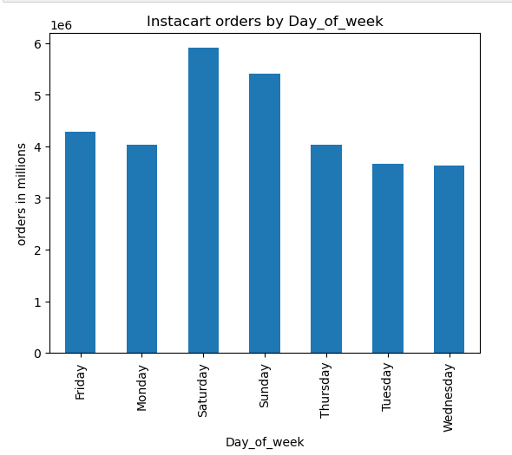

 |  |  |  |  |  |  |  |  |  | order_hour_of_day

 |  |  |  |  | The weekend is the busiest time of the week for Instacart orders. Instacart could capture more orders if they advertise more heavily on Tuesdays, Wednesdays and Thurdays. The hours of the day with most sales are from 9am to 5pm. I will recommend that ads at times should be fixed between the hours 11pm to 6am.

 | Question- 2. They also want to know whether there are particular times of the day when people spend the most money, as this might inform the type of products they advertise at these times.

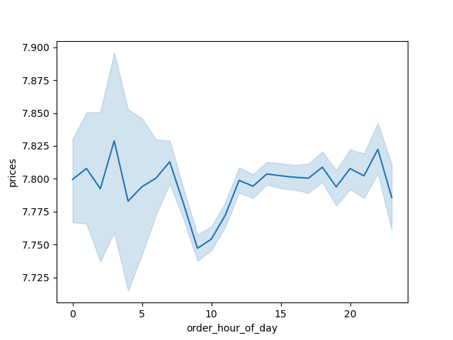

 |  |  |  |  |  |  |  |  |  |  | The time of the day that people spend most money is between 12am to 6am

 | Question- 3. Instacart has a lot of products with different price tags. Marketing and sales want to use simpler price range groupings to help direct their efforts.

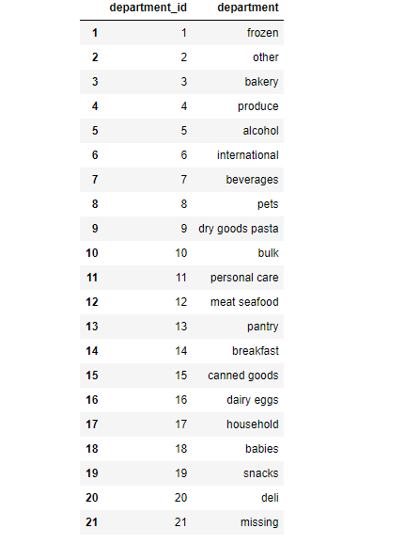

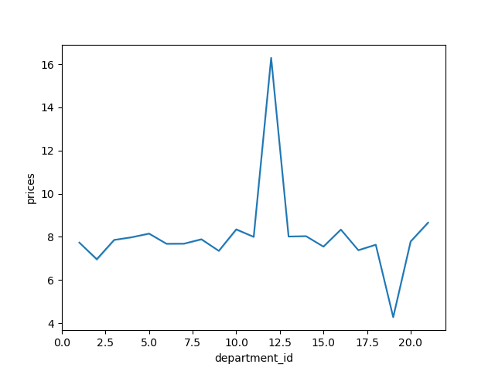

 |  |  |  |  |  | Meat seafood- 12 are the products with the highest prices and snacks-19, has the least prices.

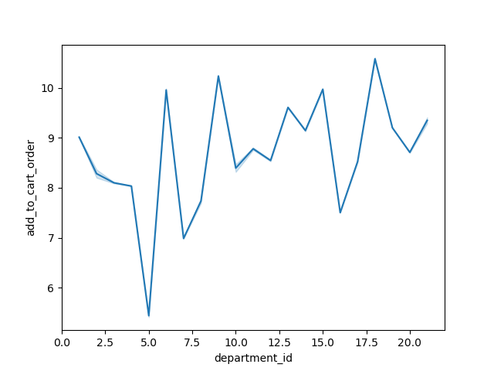
 |  | Question- 4. Are there certain types of products that are more popular than others? The marketing and sales teams want to know which departments have the highest frequency of product orders.

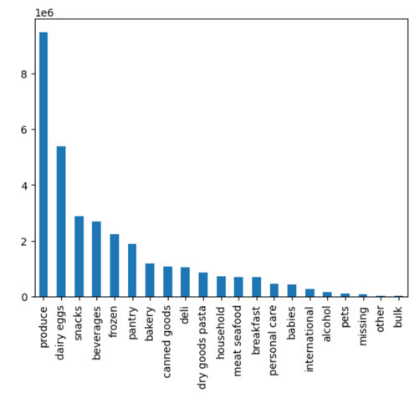

 |  |  |  |  |  |  |  | The most popular products are produce-4, then dairy eggs-16 and then snacks-19. The most frquently ordered products is the snack-19.

 | Question - 5. The marketing and sales teams are particularly interested in the different types of customers in their system and how their ordering behaviors differ. For example: a. What's the distribution among users in regards to their brand loyalty (i.e., how often do they return to Instacart)?

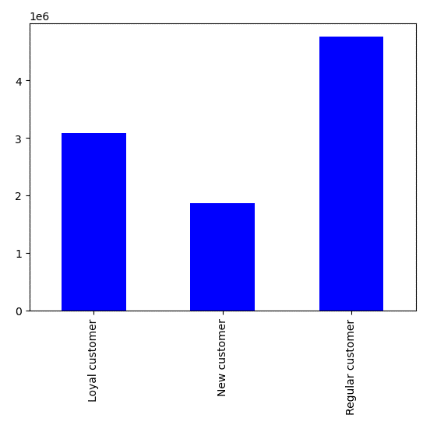

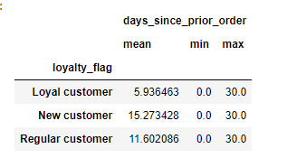

 |  |  |  |  |  | Regular customers are more than both Loyal customers and new customers, but Loyal customers return to instacart most often with an average of 5.9. Regular customers' return to instacart average 11.6, while that of New customers is the longest with 15.23.

 | Question - b. Are there differences in ordering habits based on a customer’s loyalty status?

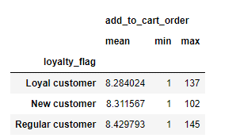

 |  |  |  |  |  |  | All the loyalty groups have about the same average of add to cart order, but the maximum for Regular customers is the highest with 145, followed by Loyal customers with 137 and lastly New customers with 102

 | c. Are there differences in ordering habits based on a customer’s region?

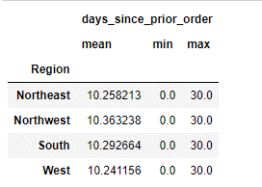
 |  |  |  |  |  |  | There are no differences in ordering habits based a customer's region. All the regions have about same avarege of days since prior order, also the maximum and minimum are the same for all regions.

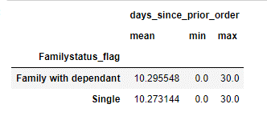
 |  |  | d. Is there a connection between age and family status in terms of ordering habits?
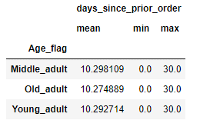

 |  |  |  | Yes, there is a connection between age and family status in terms of ordering habits, the various age groups have about the same ordering habits and various family status also have about the same ordering habits as well.

